How to use the tool
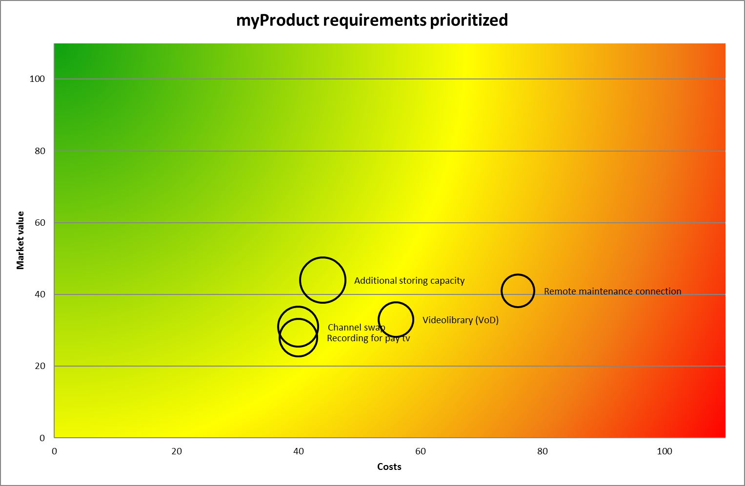
Requirement Prioritization tool helps to put the development items in the right order. |  | v.1.2

The tool consists of four sheets and the simple workflow from sheet one to three.

Sheet 1: Requirements
 | This is the backlog of your development items in the high level. In some companies the items may be called market requirements, some other may call the business use cases or simply features. They may represent totally new product ideas or improvements to existing products.
 | Give the items name and short description as shown below.

Sheet 2: Value
 | The value of a new development item may consist of different business drivers such as revenue, market share, customer churn or loyalty. Every company needs to find the most important value drivers for itself.
 | Once the value sources (1) are defined they need to be weighted (2). Make sure the sum of the weights is 100 (3).
 | The trickiest part is now is to give merits (4) for the development items per value drivers. The merit shall be between 0 and 5 where 0 means no value and 5 maximum value.

Sheet 3: Costs
 | In this sheet the development items are given relative costs the same way than values. Again, the costs vary by company and product. You need to find the cost items that are most relevant for your company and then give them weights. Make sure again that the sum of the weights if 100.
 | Now put the correct numbers on place and you will see how costly the different items are to build.

Sheet 4: Prioritization
 | This sheet now gives you the correct order for you development backlog. The MVC (Market Value/cost) simply calculates the ratio between the value and cost. The higher the number is, the better. The last column also gives the prioritized order for the development items.

MVC Graph
 | This sheets gives you the graphical representation of the results.

MVC graph
myProduct requirements prioritized
 |  |  | Videolibrary (VoD) |  | Channel swap |  | Remote maintenance connection |  | Recording for pay tv |  | Additional storing capacity
 |  | 56 | 33 | 40 | 31 | 76 | 41 | 40 | 28 | 44 | 44 |  | 0 |  | 0 |  | 0 |  | 0 |  | 0 |  | 0

